Sheet1
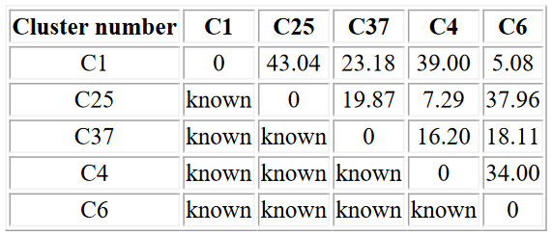
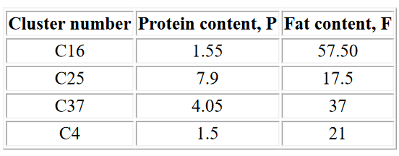

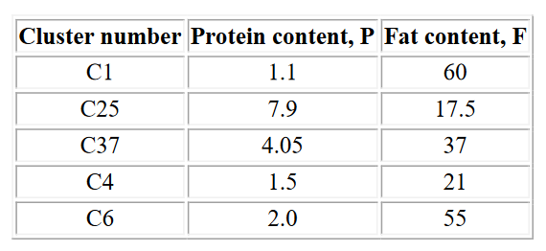
 | C16 | C25 | C37 | C4
C16 | 0 | 40.5 | 20.65 | 36.5
C25 |  | 0 | 19.87 | 7.29 |  |  |  | C25437
C37 | 20.65 | 19.87 | 0 | 16.2
C4 | 36.5 | 7.29 | 16.2 | 0

 |  |  |  |  | C254 | 4.7 | 19.25
 |  |  |  |  | c25437 | 4.37 | 28.12
 | C16 | C254 | C37
C16 | 0 | 38.37 | 20.65
C254 | 38.37 | 0 | 17.76
C37 | 20.65 | 17.76 | 0

